SE of estimates
 |  |  | Design Matrix
 | x | y | intercept | x | Parameter estimates |  |  | Y_hat
 | 10 | 100 | 1 | 10 | Intercept, bo | 89 |  | 104
 | 20 | 120 | 1 | 20 | X, b1 | 1.5 |  | 119
 | 30 | 140 | 1 | 30 |  |  |  | 134
 | 40 | 150 | 1 | 40 |  |  |  | 149
 | 50 | 160 | 1 | 50 |  |  |  | 164

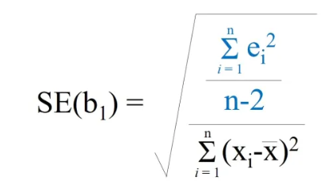
n | 5 |  | SE(b0) |  |  |  | SE(b1)
p | 1 | as only b1
df, n-p-1 ~ n -2 | 3

SUMSQ, y-yhat or res | 70
SUMSQres,/n-p-1 | 23.3
sqrt (SUMSQres,/n-p-1) | 4.83
 |  |  | SQ, xbar |  | 900 |  |  |  | 0.15275252317
 |  |  | SUMSQ, xi-xbar |  | 1000
 |  |  | 1/n |  | 0.2
 |  |  | (SQ,xbar)/ (SUMSQ, xi-xbar) |  | 0.9

 |  |  | 1/n + SQ,xbar/ SUMSQ, xi-xbar |  | 1.1

 |  |  | sqrt (1/n + SQ,xbar/ SUMSQ, xi-xbar) |  | 1.05

 |  |  | SE(b0) |  | 5.07 |  | SE(b1) |  | 0.153

